Sheet1
Course Link: | https://www.coursera.org/learn/react-native-course/lecture/VDPQ1/what-is-react-native
GitHub Repo: | https://github.com/Arch-Frost/LittleLemon-ReactNative
Week | Day | Tasks Done | Screenshots
Week 1 | 1 | 1. Configured React Native development environment using Expo Go 2. Created a Hello World App 3. Created a repository on GitHub
 | 2 | 1. Understood the different types of components in React Native 2. Explored View and Text Components within React Native. 3. Created a Header and a Footer for the app. 4. Explored and created the Style Sheet for the header and the footer 5. Pushed the changes made to the app to GitHub.
 | 3 | 1. Explored and Understood ScrollView component. 2. It's my first time using JavaScript and CSS for styling. So figuring it out took the whole day. 3. Made the Menu Screen and Welcome Screen 4. Pushed the changes to GitHub. | 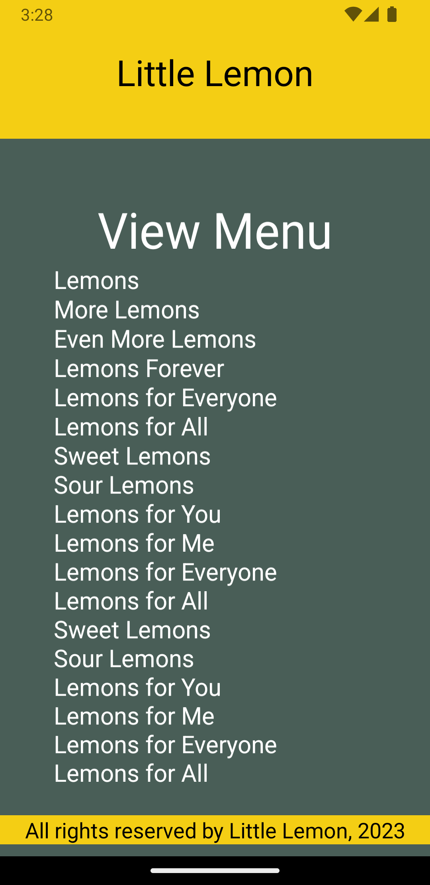 | 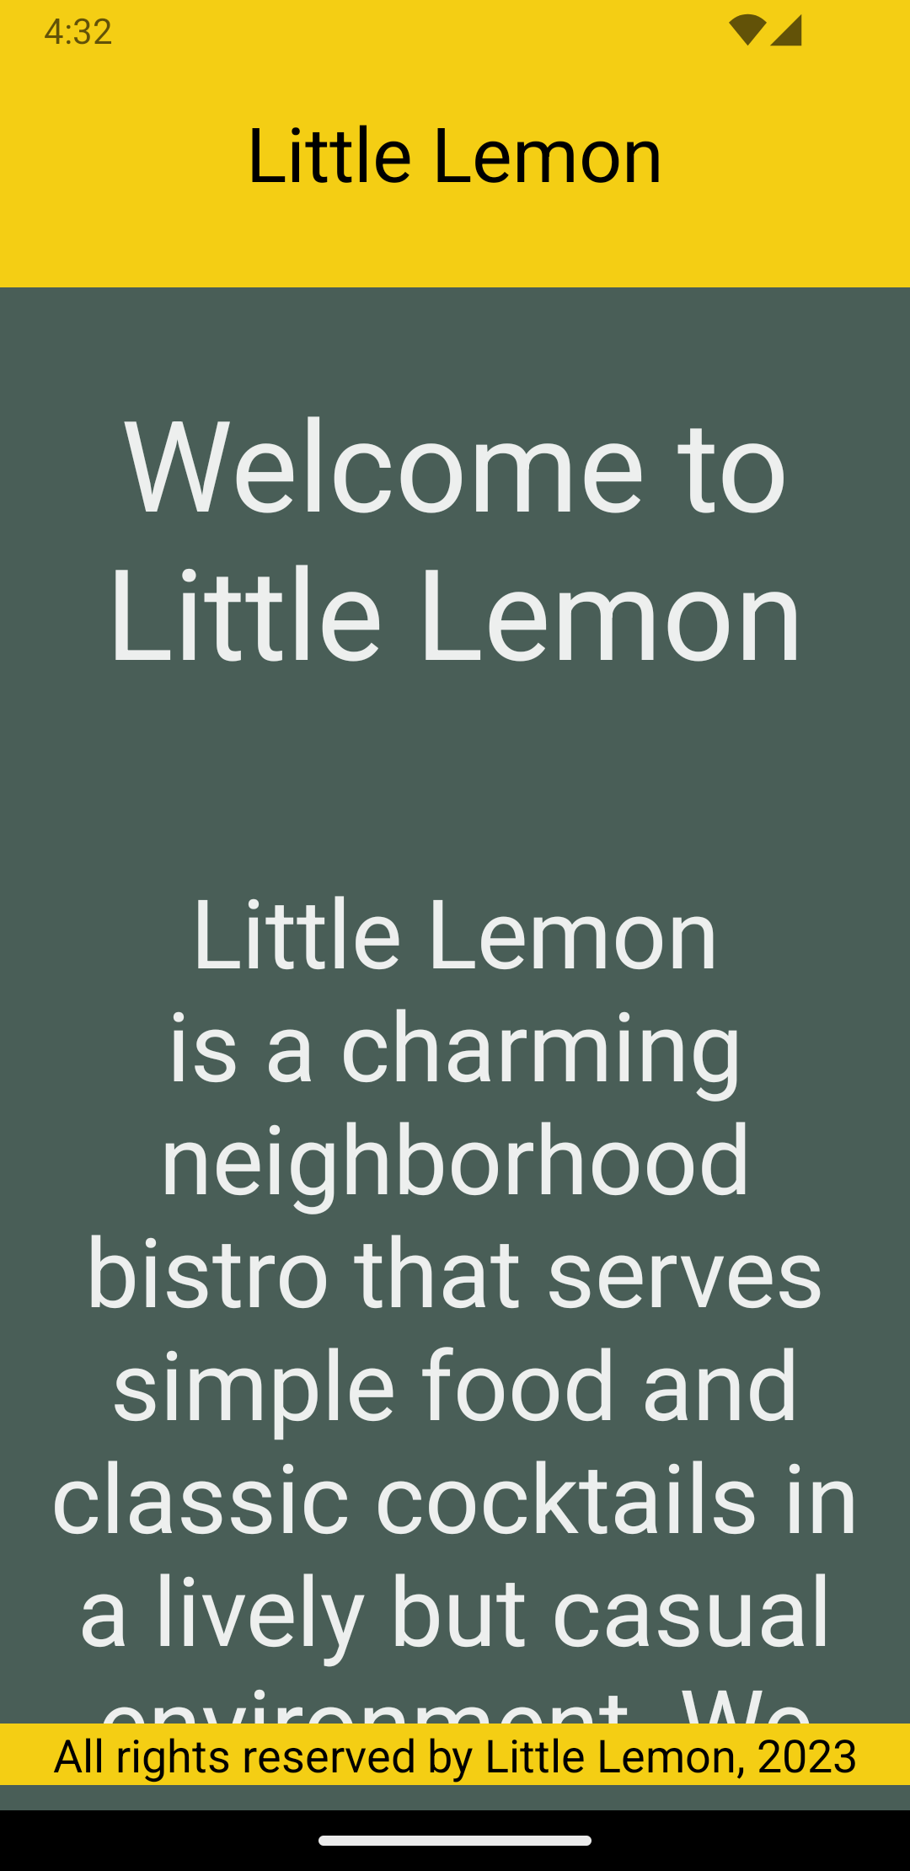
 | 4 | 1. Understood the FlatList, SectionList and InputText Component. 2. Used the FlatList and SectionList component to create Menu Screen 3. Used the InputText component to create Feedback Form for Little Lemon 4. Pushed the changes to GitHub.
 | 5

